SIT-OMC-DDM-02
▣ Scenario SIT-OMC-DDM-02 :Transmission of Data to OSCVM

OVMC
Connection
Communication
Transmission New Parameters Message
Send Acknowledgement
Connect
Accept
OSCVM
▶ Desc & Flow
Description |  | OVMC sends a message to OSCVMs when new data received from DMC. OSCVM downloads the data from OVMC and checks whether it needs to be updated. If it needs updating, OSCVM updates the current data from the downloaded data.
Biz flow ( It describe briefly )

▶ Advance preparation
Preparation |  | OVMC 1 EA, OSCVM 1 EA

▶ Data
NO | Item | 1 | 2 | 3 | 4 | 5
1 | N/A

001
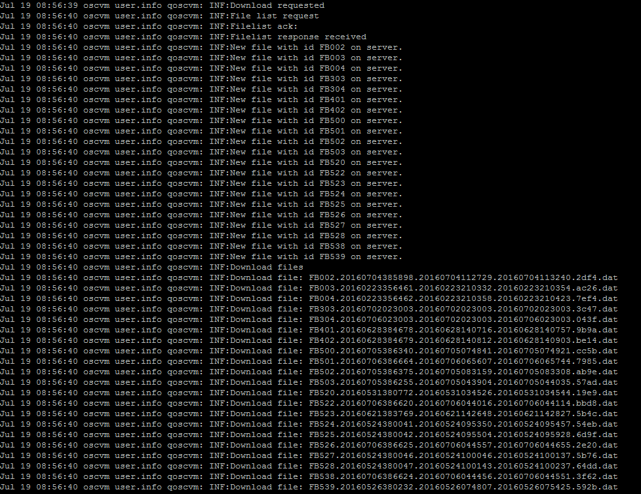
Test Case SIT-OMC-DDM-02-001 :Transsmission to OSCVM New Parameters Message

1. Test Scenario
Test date |  | 1st |  | Tester |  | 1st
 |  | 2nd |  |  |  | 2nd
 |  | 3rd |  |  |  | 3rd

Transmission to OSCVM new Parameters Message
Start to Download
Description |  | Transsmission to OSCVM New Parameters Message |  |  |  |  | Written by
Flow

NO | Task | Test data | Expected result | Person in charge | Result |  | Pass/Fail |  |  | Remark
 |  |  |  |  |  |  | 1st | 2nd | 3rd
1 | [Transmission to OSCVM new Parameters Message ] 1.OVMC send new parameters message to OSCVM | Test Data A: new parameters message | Success to send |  | 1st |  |  |  |  | Test Data:B
 |  |  |  |  | 2nd
 |  |  |  |  | 3rd
2 | [Start to Download] 1.OSCVM start to download new parameters and file |  | Success to start |  | 1st |  |  |  |  | Test Data:C
 |  |  |  |  | 2nd
 |  |  |  |  | 3rd

NO | Item
A | new parameters message
B | 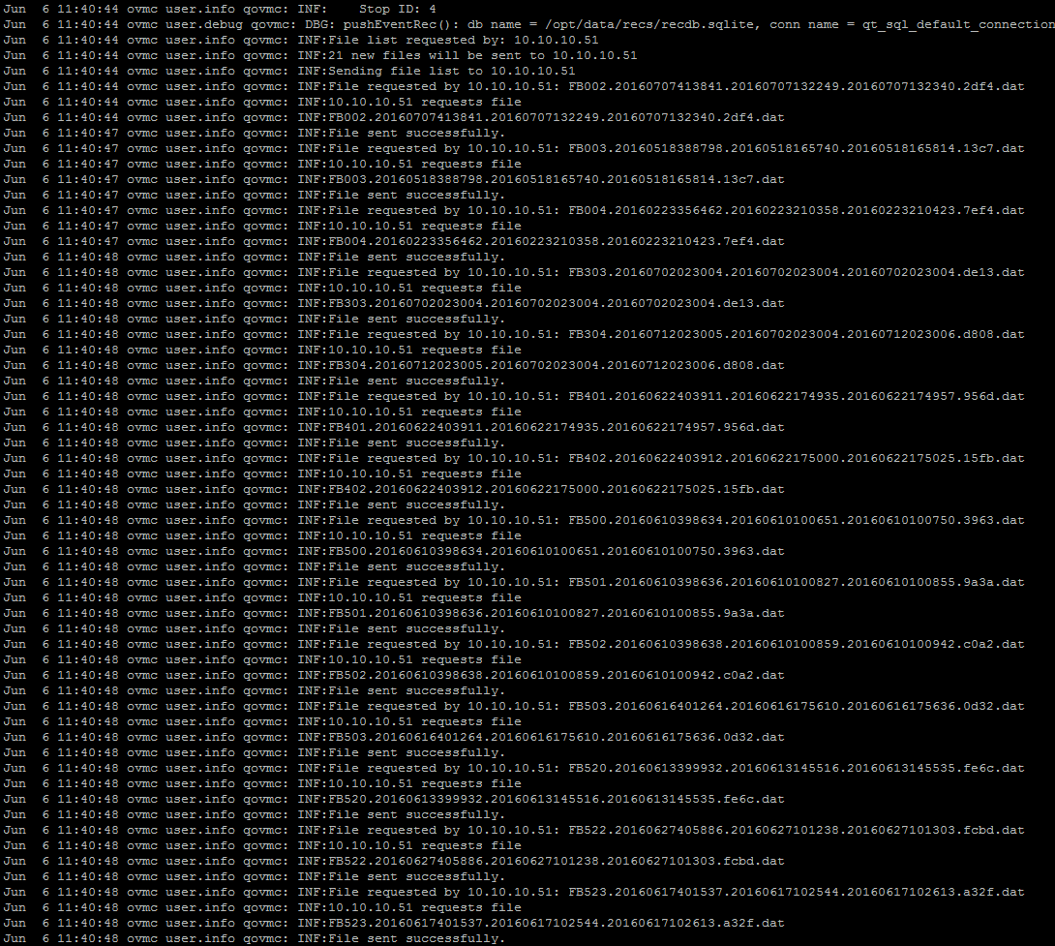

C

